Sheet1
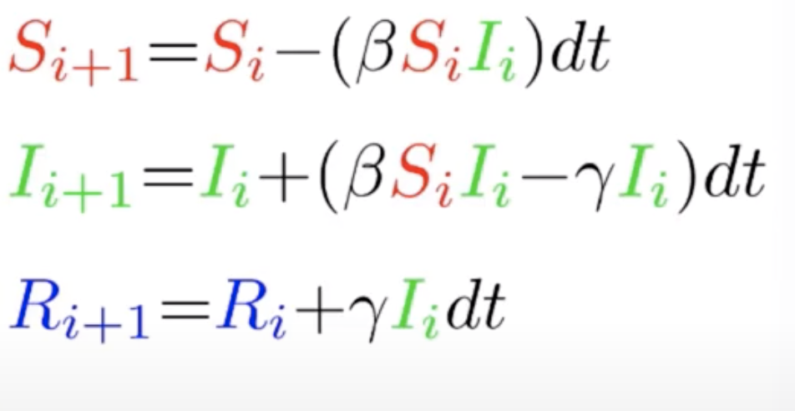
Day | Susceptible | Infective | Recovered | dt (Delta Time in days)
0 | 0.999 | 0.001 | 0.000 | 0.5
1 | 0.999 | 0.001 | 0.000 | Beta (Infection rate)
2 | 0.998 | 0.002 | 0.000 | 0.75
3 | 0.997 | 0.002 | 0.000 | Gamma (Recovery rate)
4 | 0.997 | 0.003 | 0.000 | 0.1
5 | 0.995 | 0.004 | 0.000
COVID-19 Simulation by SIR Model (100 Days)
6 | 0.994 | 0.005 | 0.001
7 | 0.992 | 0.007 | 0.001
8 | 0.989 | 0.009 | 0.001
9 | 0.986 | 0.012 | 0.002
10 | 0.981 | 0.016 | 0.002
11 | 0.975 | 0.022 | 0.003
12 | 0.967 | 0.028 | 0.004
13 | 0.957 | 0.037 | 0.006
14 | 0.943 | 0.049 | 0.008
15 | 0.926 | 0.064 | 0.010
16 | 0.904 | 0.083 | 0.013
17 | 0.876 | 0.107 | 0.017
18 | 0.841 | 0.136 | 0.023
19 | 0.798 | 0.173 | 0.030
20 | 0.746 | 0.216 | 0.038
21 | 0.686 | 0.265 | 0.049
22 | 0.618 | 0.320 | 0.062
23 | 0.544 | 0.378 | 0.078
24 | 0.466 | 0.436 | 0.097
25 | 0.390 | 0.491 | 0.119
26 | 0.318 | 0.538 | 0.143
27 | 0.254 | 0.576 | 0.170
28 | 0.199 | 0.602 | 0.199
29 | 0.154 | 0.616 | 0.229
30 | 0.119 | 0.621 | 0.260
31 | 0.091 | 0.618 | 0.291
32 | 0.070 | 0.608 | 0.322
33 | 0.054 | 0.594 | 0.352
34 | 0.042 | 0.576 | 0.382
35 | 0.033 | 0.556 | 0.411
36 | 0.026 | 0.535 | 0.439
37 | 0.021 | 0.514 | 0.465
38 | 0.017 | 0.492 | 0.491
39 | 0.014 | 0.471 | 0.516
40 | 0.011 | 0.449 | 0.539
41 | 0.009 | 0.429 | 0.562
42 | 0.008 | 0.409 | 0.583
43 | 0.007 | 0.390 | 0.604
44 | 0.006 | 0.371 | 0.623
45 | 0.005 | 0.353 | 0.642
46 | 0.004 | 0.336 | 0.659
47 | 0.004 | 0.320 | 0.676
48 | 0.003 | 0.305 | 0.692
49 | 0.003 | 0.290 | 0.707
50 | 0.003 | 0.276 | 0.722
51 | 0.002 | 0.262 | 0.736
52 | 0.002 | 0.249 | 0.749
53 | 0.002 | 0.237 | 0.761
54 | 0.002 | 0.225 | 0.773
55 | 0.002 | 0.214 | 0.784
56 | 0.001 | 0.204 | 0.795
57 | 0.001 | 0.193 | 0.805
58 | 0.001 | 0.184 | 0.815
59 | 0.001 | 0.175 | 0.824
60 | 0.001 | 0.166 | 0.833
61 | 0.001 | 0.158 | 0.841
62 | 0.001 | 0.150 | 0.849
63 | 0.001 | 0.143 | 0.857
64 | 0.001 | 0.135 | 0.864
65 | 0.001 | 0.129 | 0.870
66 | 0.001 | 0.122 | 0.877
67 | 0.001 | 0.116 | 0.883
68 | 0.001 | 0.110 | 0.889
69 | 0.001 | 0.105 | 0.894
70 | 0.001 | 0.100 | 0.900
71 | 0.001 | 0.095 | 0.905
72 | 0.001 | 0.090 | 0.909
73 | 0.001 | 0.086 | 0.914
74 | 0.001 | 0.081 | 0.918
75 | 0.001 | 0.077 | 0.922
76 | 0.001 | 0.073 | 0.926
77 | 0.001 | 0.070 | 0.930
78 | 0.001 | 0.066 | 0.933
79 | 0.000 | 0.063 | 0.936
80 | 0.000 | 0.060 | 0.940
81 | 0.000 | 0.057 | 0.943
82 | 0.000 | 0.054 | 0.945
83 | 0.000 | 0.051 | 0.948
84 | 0.000 | 0.049 | 0.951
85 | 0.000 | 0.046 | 0.953
86 | 0.000 | 0.044 | 0.956
87 | 0.000 | 0.042 | 0.958
88 | 0.000 | 0.040 | 0.960
89 | 0.000 | 0.038 | 0.962
90 | 0.000 | 0.036 | 0.964
91 | 0.000 | 0.034 | 0.965
92 | 0.000 | 0.032 | 0.967
93 | 0.000 | 0.031 | 0.969
94 | 0.000 | 0.029 | 0.970
95 | 0.000 | 0.028 | 0.972
96 | 0.000 | 0.026 | 0.973
97 | 0.000 | 0.025 | 0.975
98 | 0.000 | 0.024 | 0.976

